PDF_Stamp
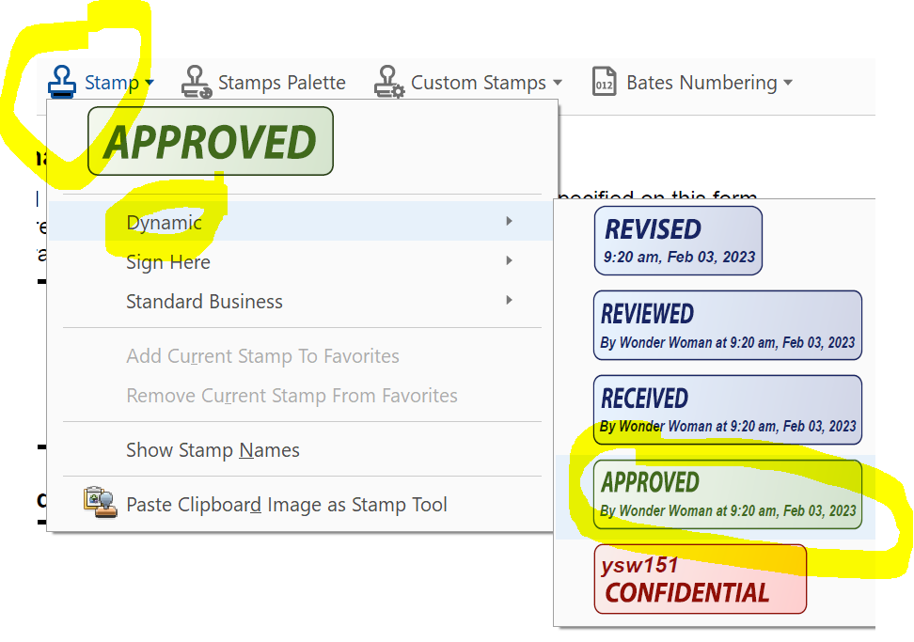
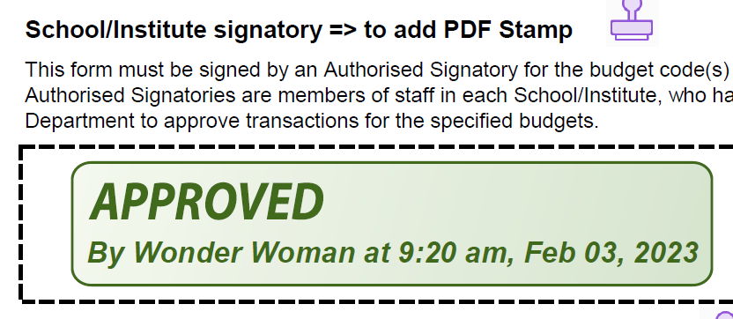
The three steps below show how to add a PDF Stamp to approve the form.
1. To save the SAF tab as PDF, go to... |  | Form version: | 2024-04-12
a. | File [on top-left corner of Excel]
b. | Save as PDF
 | Make sure you select the specific 'SAF' sheet, other than the 'Entire Workbook'.
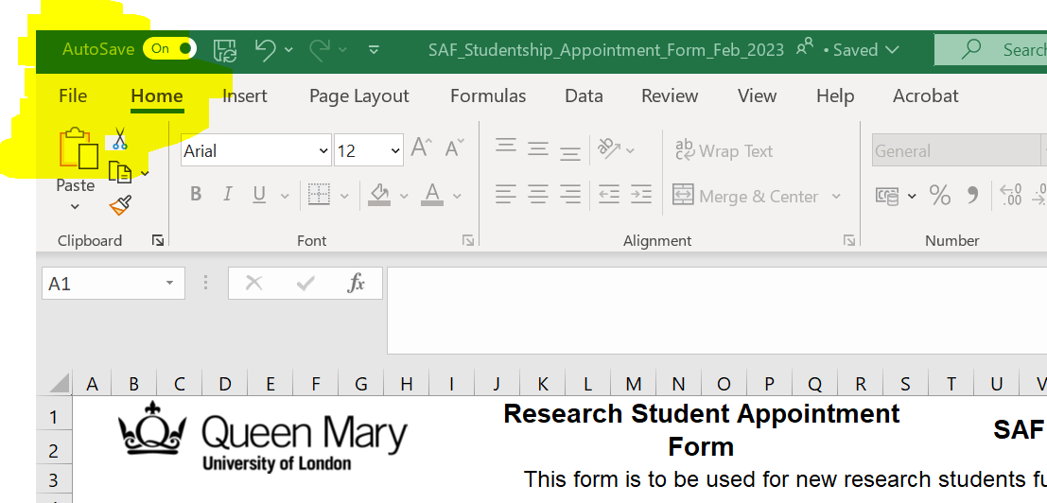
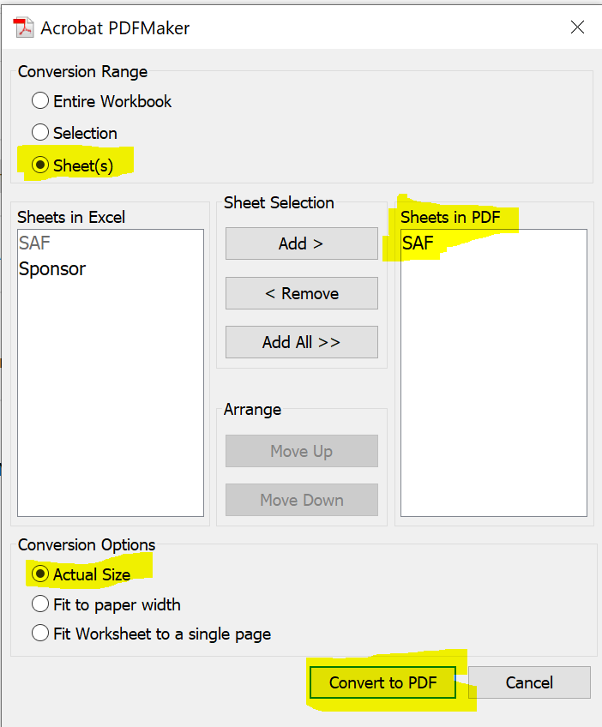

2. To add a PDF Stamp, open the newly created PDF…
a. | Go to the 'Tool' tab [on the top, to the left of the 'file name' tab]
b. | Scroll down to the 'Share & Review' section
c. | Click on the 'Stamp' option
d. | If it is your first time using the 'Stamp', add you name by selecting 'Show Stamp Names' |  |  | Some computers might have a different view/layout.
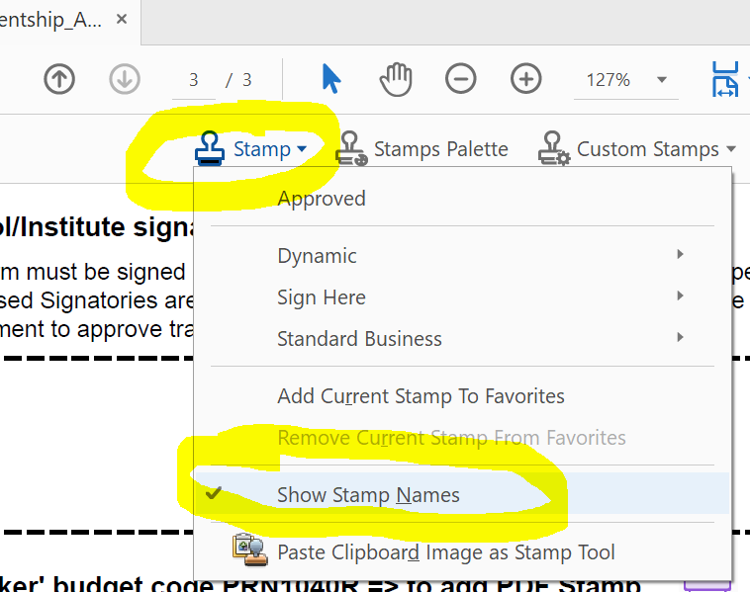
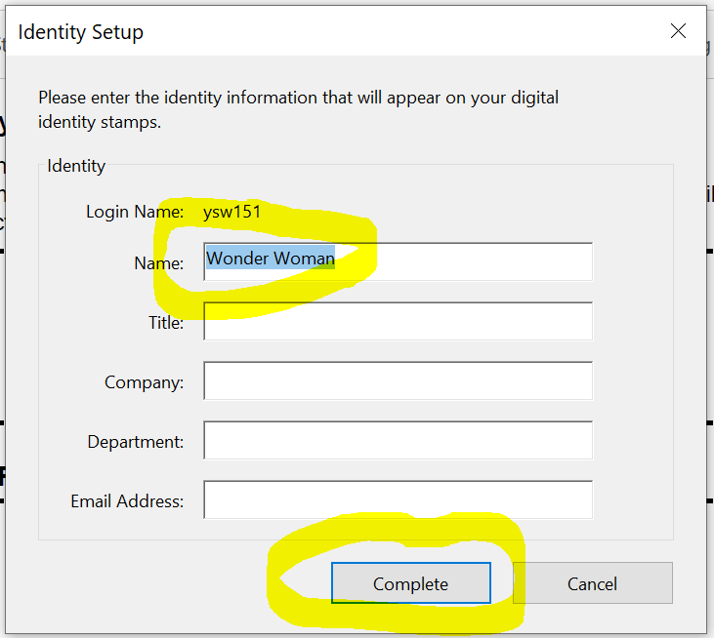
 |  |  |  | In the screenshot below, you will fin the stamp icon on the top-right corner of the screen => under
 |  |  |  | => under 'Comment'



3 | Then, to add the actual 'Stamp'…
a. | Click on the 'Stamp' icon [which now shows on the document screen]
b. | Select 'Dynamic' and click on the 'APPROVED' stamp
c. | You can just place the 'APPROVED' stamp in the respective approver's box on the form.

